Biden polls
state | pollster | Respondent type | sample_size | start_date | end_date | Average date | Margin | Grade | Tentative grade | Weighted | Grade log | True age | Age weight | Grade weight
VA | Research America Inc. | A | 1,009 | 2019-09-03 | 2019-09-15 | 2019-09-09 | 18 |  | 2 | 18076 | 0.151 | 253 | -0.0057 | 0.0020
VA | Research America Inc. | RV | 882 | 2019-09-03 | 2019-09-15 | 2019-09-09 | 17 |  | 2 | 14923 | 0.151 | 253 | -0.0057 | 0.0020
VA | Virginia Commonwealth University | A | 800 | 2019-09-23 | 2019-10-04 | 2019-09-28 12:00:00 | 8 |  | 2 | 6377 | 0.151 | 234 | -0.0045 | 0.0020
VA | Virginia Commonwealth University | RV | 731 | 2019-09-23 | 2019-10-04 | 2019-09-28 12:00:00 | 8 |  | 2 | 5827 | 0.151 | 234 | -0.0045 | 0.0020
VA | Virginia Commonwealth University | LV | 645 | 2019-09-23 | 2019-10-04 | 2019-09-28 12:00:00 | 5 |  | 2 | 3214 | 0.151 | 234 | -0.0045 | 0.0020
VA | Virginia Commonwealth University | A | 818 | 2019-12-02 | 2019-12-13 | 2019-12-07 12:00:00 | 4 |  | 2 | 3275 | 0.151 | 164 | -0.0002 | 0.0020
VA | Virginia Commonwealth University | RV | 770 | 2019-12-02 | 2019-12-13 | 2019-12-07 12:00:00 | 1 |  | 2 | 771 | 0.151 | 164 | -0.0002 | 0.0020
VA | Virginia Commonwealth University | LV | 728 | 2019-12-02 | 2019-12-13 | 2019-12-07 12:00:00 | 3 |  | 2 | 2186 | 0.151 | 164 | -0.0002 | 0.0020
VA | Mason-Dixon Polling & Research Inc. | RV | 625 | 2019-12-12 | 2019-12-16 | 2019-12-14 | 4 | 4 |  | 2494 | 0.602 | 157 | 0.0002 | -0.0025
VA | Roanoke College | LV | 520 | 2020-02-09 | 2020-02-18 | 2020-02-13 12:00:00 | 8 |  | 2 | 4181 | 0.151 | 96 | 0.0041 | 0.0020
VA | Hampton University | RV | 768 | 2020-02-25 | 2020-02-28 | 2020-02-26 12:00:00 | 7 |  | 2 | 5408 | 0.151 | 83 | 0.0049 | 0.0020
VA | Virginia Commonwealth University | LV | 663 | 2020-03-25 | 2020-04-08 | 2020-04-01 | 10 |  | 2 | 6683 | 0.151 | 48 | 0.0070 | 0.0020
VA | Roanoke College | RV | 563 | 2020-05-03 | 2020-05-16 | 2020-05-09 12:00:00 | 12 |  | 2 | 6826 | 0.151 | 10 | 0.0094 | 0.0020

Margin

Biden state stats
state | Total number of polls | Raw average | Leader (raw) | Weighted average | Leader (weighted) | Raw (abs.) | Weighted (abs.) | Raw scale | Weighted scale | Scale difference? | Leader difference | Average difference (W-R) | state | RV average | LV average | RV-LV | state | 2016 winner | Biden leading | Trump leading | Tied | Biden (%) | Trump (%) | Tied (%) | Ratio leader | Number of respondents | Biden color (raw) | Biden color (weighted)
WV | 1 | -35.0 | Trump | -35.0 | Trump | 35.0 | 35.0 | -4 | -4 |  |  | 0.0 | WV |  | -35.0 |  | WV | Trump | 0 | 1 | 0 | 0% | 100% | 0% | Trump | 500 | 3 | 3
MA | 3 | 33.2 | Biden | 32.7 | Biden | 33.2 | 32.7 | 4 | 4 |  |  | -0.5 | MA | 33.2 |  |  | MA | D | 3 | 0 | 0 | 100% | 0% | 0% | Biden | 2,501 | 1 | 1
CA | 14 | 28.3 | Biden | 28.1 | Biden | 28.3 | 28.1 | 4 | 4 |  |  | -0.2 | CA | 27.4 | 28.5 | -1.1 | CA | D | 14 | 0 | 0 | 100% | 0% | 0% | Biden | 22,809 | 1 | 1
OK | 2 | -26.0 | Trump | -26.1 | Trump | 26.0 | 26.1 | -4 | -4 |  |  | -0.1 | OK | -28.0 | -24.0 | -4.0 | OK | Trump | 0 | 2 | 0 | 0% | 100% | 0% | Trump | 1,000 | 3 | 3
NY | 4 | 25.8 | Biden | 26.2 | Biden | 25.8 | 26.2 | 4 | 4 |  |  | 0.4 | NY | 25.8 |  |  | NY | D | 4 | 0 | 0 | 100% | 0% | 0% | Biden | 2,942 | 1 | 1
MD | 1 | 25.0 | Biden | 25.0 | Biden | 25.0 | 25.0 | 4 | 4 |  |  | 0.0 | MD |  | 25.0 |  | MD | D | 1 | 0 | 0 | 100% | 0% | 0% | Biden | 718 | 1 | 1
AL | 2 | -20.5 | Trump | -20.5 | Trump | 20.5 | 20.5 | -4 | -4 |  |  | 0.0 | AL | -20.0 | -21.0 | 1.0 | AL | Trump | 0 | 2 | 0 | 0% | 100% | 0% | Trump | 1,125 | 3 | 3
ND | 5 | -20.4 | Trump | -21.4 | Trump | 20.4 | 21.4 | -4 | -4 |  |  | -1.0 | ND |  | -21.5 |  | ND | Trump | 0 | 5 | 0 | 0% | 100% | 0% | Trump | 1,900 | 3 | 3
WA | 4 | 19.8 | Biden | 20.7 | Biden | 19.8 | 20.7 | 4 | 4 |  |  | 0.9 | WA | 18.0 | 21.5 | -3.5 | WA | D | 4 | 0 | 0 | 100% | 0% | 0% | Biden | 3,630 | 1 | 1
NJ | 6 | 19.5 | Biden | 20.5 | Biden | 19.5 | 20.5 | 4 | 4 |  |  | 1.0 | NJ | 19.0 |  |  | NJ | D | 6 | 0 | 0 | 100% | 0% | 0% | Biden | 5,947 | 1 | 1
CT | 5 | 18.0 | Biden | 18.0 | Biden | 18.0 | 18.0 | 4 | 4 |  |  | 0.0 | CT | 23.0 |  |  | CT | D | 5 | 0 | 0 | 100% | 0% | 0% | Biden | 4,945 | 1 | 1
KY | 2 | -16.0 | Trump | -16.2 | Trump | 16.0 | 16.2 | -4 | -4 |  |  | -0.2 | KY |  | -16.0 |  | KY | Trump | 0 | 2 | 0 | 0% | 100% | 0% | Trump | 1,341 | 3 | 3
DE | 1 | 16.0 | Biden | 16.0 | Biden | 16.0 | 16.0 | 4 | 4 |  |  | 0.0 | DE |  | 16.0 |  | DE | D | 1 | 0 | 0 | 100% | 0% | 0% | Biden | 410 | 1 | 1
TN | 1 | -16.0 | Trump | -16.0 | Trump | 16.0 | 16.0 | -4 | -4 |  |  | 0.0 | TN | -16.0 |  |  | TN | Trump | 0 | 1 | 0 | 0% | 100% | 0% | Trump | 625 | 3 | 3
MS | 2 | -13.0 | Trump | -13.3 | Trump | 13.0 | 13.3 | -4 | -4 |  |  | -0.3 | MS | -15.0 | -11.0 | -4.0 | MS | Trump | 0 | 2 | 0 | 0% | 100% | 0% | Trump | 1,133 | 3 | 3
Indiana | 1 | -13.0 | Trump | -13.0 | Trump | 13.0 | 13.0 | -4 | -4 |  |  | 0.0 | Indiana |  | -13.0 |  | Indiana | Trump | 0 | 1 | 0 | 0% | 100% | 0% | Trump | 1,021 | 3 | 3
UT | 5 | -12.0 | Trump | -13.7 | Trump | 12.0 | 13.7 | -4 | -4 |  |  | -1.7 | UT | -13.8 | -5.0 | -8.8 | UT | Trump | 0 | 5 | 0 | 0% | 100% | 0% | Trump | 4,396 | 3 | 3
MN | 1 | 12.0 | Biden | 12.0 | Biden | 12.0 | 12.0 | 4 | 4 |  |  | 0.0 | MN | 12.0 |  |  | MN | D | 1 | 0 | 0 | 100% | 0% | 0% | Biden | 800 | 1 | 1
CO | 6 | 12.0 | Biden | 11.8 | Biden | 12.0 | 11.8 | 4 | 4 |  |  | -0.2 | CO | 8.7 | 15.3 | -6.7 | CO | D | 6 | 0 | 0 | 100% | 0% | 0% | Biden | 3,865 | 1 | 1
MT | 3 | -11.7 | Trump | -12.6 | Trump | 11.7 | 12.6 | -4 | -4 |  |  | -0.9 | MT | -7.0 | -14.0 | 7.0 | MT | Trump | 0 | 3 | 0 | 0% | 100% | 0% | Trump | 1,259 | 3 | 3
NE-2 | 1 | 11.0 | Biden | 11.0 | Biden | 11.0 | 11.0 | 4 | 4 |  |  | 0.0 | NE-2 |  | 11.0 |  | NE-2 | Trump | 1 | 0 | 0 | 100% | 0% | 0% | Biden | 448 | 1 | 1
NM | 2 | 10.5 | Biden | 10.6 | Biden | 10.5 | 10.6 | 4 | 4 |  |  | 0.1 | NM | 9.0 |  |  | NM | D | 2 | 0 | 0 | 100% | 0% | 0% | Biden | 1,976 | 1 | 1
KS | 2 | -10.0 | Trump | -10.9 | Trump | 10.0 | 10.9 | -4 | -4 |  |  | -0.9 | KS |  |  |  | KS | Trump | 0 | 2 | 0 | 0% | 100% | 0% | Trump | 2,167 | 3 | 3
SC | 4 | -9.5 | Trump | -11.3 | Trump | 9.5 | 11.3 | -3 | -4 | yes |  | -1.9 | SC | -9.5 |  |  | SC | Trump | 0 | 4 | 0 | 0% | 100% | 0% | Trump | 5,923 | 3 | 3
ME | 4 | 9.0 | Biden | 9.3 | Biden | 9.0 | 9.3 | 3 | 3 |  |  | 0.3 | ME | 8.0 | 6.0 | 2.0 | ME | D | 4 | 0 | 0 | 100% | 0% | 0% | Biden | 3,178 | 1 | 1
MO | 4 | -9.0 | Trump | -8.9 | Trump | 9.0 | 8.9 | -3 | -3 |  |  | 0.1 | MO |  | -9.0 |  | MO | Trump | 0 | 4 | 0 | 0% | 100% | 0% | Trump | 4,251 | 3 | 3
VA | 13 | 8.1 | Biden | 8.4 | Biden | 8.1 | 8.4 | 3 | 3 |  |  | 0.3 | VA | 8.2 | 6.5 | 1.7 | VA | D | 13 | 0 | 0 | 100% | 0% | 0% | Biden | 9,522 | 1 | 1
MI | 36 | 5.6 | Biden | 5.9 | Biden | 5.6 | 5.9 | 3 | 3 |  |  | 0.3 | MI | 5.6 | 5.3 | 0.3 | MI | Trump | 29 | 4 | 3 | 81% | 11% | 8% | Biden | 25,527 | 1 | 1
NH | 11 | 5.1 | Biden | 5.7 | Biden | 5.1 | 5.7 | 3 | 3 |  |  | 0.6 | NH | 7.0 | -3.0 | 10.0 | NH | D | 8 | 3 | 0 | 73% | 27% | 0% | Biden | 9,271 | 1 | 1
AK | 1 | -5.0 | Trump | -5.0 | Trump | 5.0 | 5.0 | -3 | -3 |  |  | 0.0 | AK |  | -5.0 |  | AK | Trump | 0 | 1 | 0 | 0% | 100% | 0% | Trump | 321 | 3 | 3
NV | 7 | 4.3 | Biden | 4.7 | Biden | 4.3 | 4.7 | 2 | 2 |  |  | 0.4 | NV | 4.4 | 4.0 | 0.4 | NV | D | 6 | 1 | 0 | 86% | 14% | 0% | Biden | 7,608 | 1 | 1
PA | 25 | 3.8 | Biden | 4.1 | Biden | 3.8 | 4.1 | 2 | 2 |  |  | 0.3 | PA | 4.8 | 2.0 | 2.8 | PA | Trump | 19 | 4 | 2 | 76% | 16% | 8% | Biden | 17,038 | 1 | 1
OH | 9 | 2.7 | Biden | 3.1 | Biden | 2.7 | 3.1 | 2 | 2 |  |  | 0.5 | OH | 2.6 |  |  | OH | Trump | 7 | 2 | 0 | 78% | 22% | 0% | Biden | 9,061 | 1 | 1
AZ | 18 | 2.6 | Biden | 2.5 | Biden | 2.6 | 2.5 | 2 | 2 |  |  | -0.1 | AZ | 1.7 | 3.8 | -2.1 | AZ | Trump | 12 | 3 | 3 | 67% | 17% | 17% | Biden | 13,924 | 1 | 1
WI | 33 | 2.4 | Biden | 3.0 | Biden | 2.4 | 3.0 | 2 | 2 |  |  | 0.6 | WI | 2.3 | 2.3 | 0.0 | WI | Trump | 24 | 7 | 2 | 73% | 21% | 6% | Biden | 25,555 | 1 | 1
FL | 23 | 2.1 | Biden | 2.4 | Biden | 2.1 | 2.4 | 2 | 2 |  |  | 0.3 | FL | 2.3 | 1.6 | 0.6 | FL | Trump | 17 | 6 | 0 | 74% | 26% | 0% | Biden | 32,450 | 1 | 1
IA | 9 | -1.9 | Trump | -1.6 | Trump | 1.9 | 1.6 | -2 | -2 |  |  | 0.3 | IA | 0.6 | -7.5 | 8.1 | IA | Trump | 2 | 7 | 0 | 22% | 78% | 0% | Trump | 8,603 | 3 | 3
TX | 29 | -1.8 | Trump | -1.8 | Trump | 1.8 | 1.8 | -2 | -2 |  |  | 0.0 | TX | -1.1 | -7.0 | 5.9 | TX | Trump | 8 | 18 | 3 | 28% | 62% | 10% | Trump | 32,232 | 3 | 3
NC | 26 | 1.6 | Biden | 2.4 | Biden | 1.6 | 2.4 | 2 | 2 |  |  | 0.8 | NC | 3.1 | -1.6 | 4.7 | NC | Trump | 18 | 8 | 0 | 69% | 31% | 0% | Biden | 26,577 | 1 | 1
GA | 10 | -0.3 | Trump | -0.1 | Trump | 0.3 | 0.1 | -1 | -1 |  |  | 0.2 | GA | 1.0 | -0.6 | 1.6 | GA | Trump | 5 | 5 | 0 | 50% | 50% | 0% | tie | 8,137 | 3 | 3
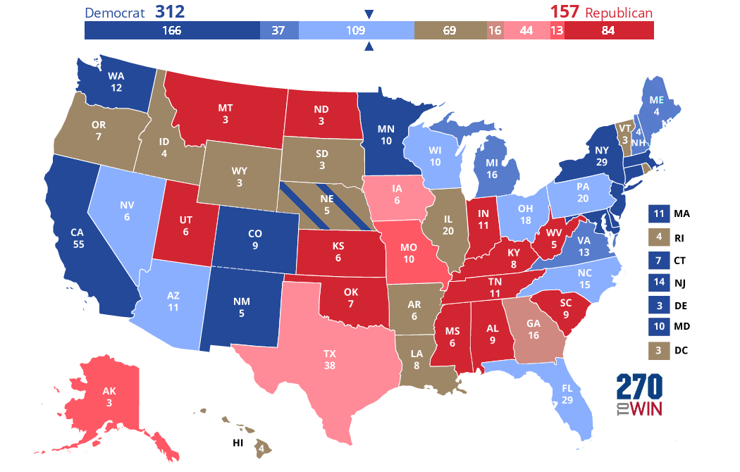
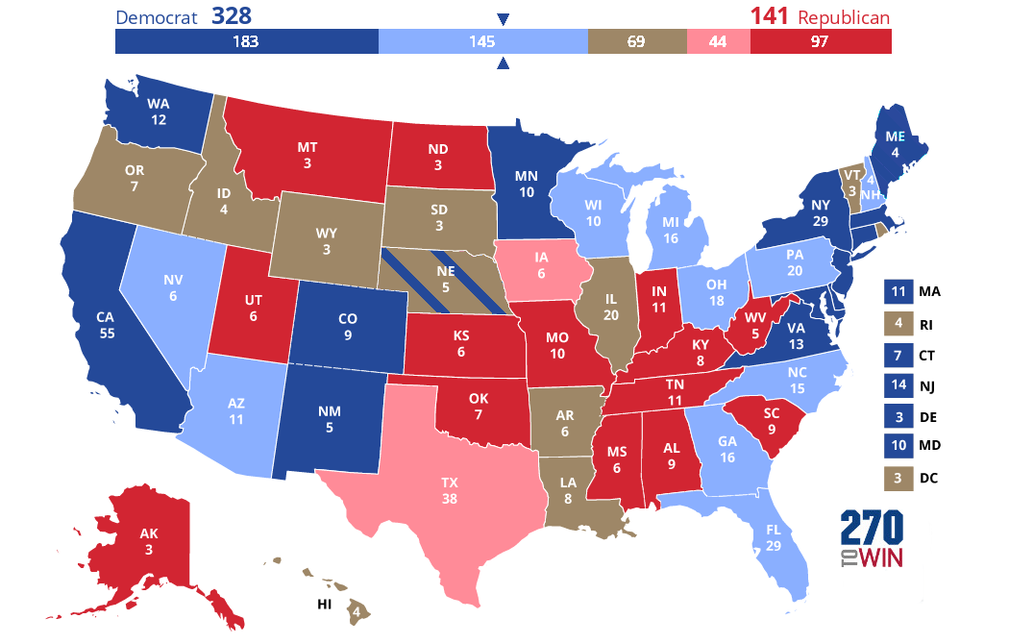

 |  |  |  |  |  |  |  |  |  |  |  |  |  |  |  |  |  |  |  |  |  |  | For map at left:
 |  |  |  |  |  |  |  |  |  |  |  |  |  |  |  |  |  |  |  |  |  |  | Dark blue = Biden leads in all polls
 |  |  |  |  |  |  |  |  |  |  |  |  |  |  |  |  |  |  |  |  |  |  | Light blue = Biden leads in a majority/plurality of polls
 |  |  |  |  |  |  |  |  |  |  |  |  |  |  |  |  |  |  |  |  |  |  | Light red = Trump leads in a majority/plurality of polls
 |  |  |  |  |  |  |  |  |  |  |  |  |  |  |  |  |  |  |  |  |  |  | Dark red = Trump leads in all polls
 |  |  |  |  |  |  |  |  |  |  |  |  |  |  |  |  |  |  |  |  |  |  | Yellow = Trump and Biden lead in equal number of polls

